CLV Overview
Insights
From cohort 2020/11/01 up to cohort 2020./12/13 there's better average revenue per customer than the ones who came to the site from week starting from 2020/12/20. And it's also similar from week 1 up to week 5. Purchasing is dropping off from cohort starting 20 December going up.
We noticed that customers who made their first purchase in the those first weeks tended to spend at least better over the 12 weeks whereas the customers who made their first purchase in cohort from 20 December tended to spend less over the course of the 12 weeks. We can identify that maybe something changed from December 20 going on that changed that caused a drop in the likelihood of those customers returning to purchase more.
The cumulative growth chart shows that cohorts starting from 2020/12/20 have a lower revenue than the weeks before .
From the prediction of the future customer revenue chart, it also shows that the customers from December 20 will not reach the revenue from the other cohorts before.
The cumulative growth is changing for 23% to 1.18% on week 12 . Week 9 has the lowest cumulative growth of 0.60%.
The first cohorts from 2020-11-01 to 2020-12-13 have a much higher average cumulative revenue.
 | CUSTOMER LIFETIME VALUE
 | Weekly revenue divided by registrations in cohorts
Weeks | Customers | week0 | week1 | week2 | week3 | week4 | week5 | week6 | week7 | week8 | week9 | week10 | week11 | week12
2020-11-01 | 20078 | $0.9380 | $0.3264 | $0.2672 | $0.2617 | $0.1599 | $0.1532 | $0.1653 | $0.0250 | $0.0078 | $0.0138 | $0.0232 | $0.0149 | $0.0182
2020-11-08 | 16232 | $1.1920 | $0.3813 | $0.2812 | $0.2293 | $0.2766 | $0.1045 | $0.0394 | $0.0694 | $0.0000 | $0.0120 | $0.0355 | $0.0205
2020-11-15 | 17845 | $1.3817 | $0.2968 | $0.2187 | $0.2276 | $0.1671 | $0.0256 | $0.0288 | $0.0220 | $0.0210 | $0.0062 | $0.0044
2020-11-22 | 19637 | $1.6472 | $0.2359 | $0.2253 | $0.1194 | $0.0370 | $0.0132 | $0.0064 | $0.0106 | $0.0346 | $0.0038
2020-11-29 | 21991 | $1.3194 | $0.3634 | $0.2433 | $0.0480 | $0.0124 | $0.0221 | $0.0061 | $0.0120 | $0.0054
2020-12-06 | 28069 | $1.2026 | $0.3294 | $0.0815 | $0.0344 | $0.0208 | $0.0269 | $0.0244 | $0.0022
2020-12-13 | 25153 | $1.0082 | $0.1078 | $0.0402 | $0.0302 | $0.0408 | $0.0298 | $0.0004
2020-12-20 | 17830 | $0.3687 | $0.0538 | $0.0209 | $0.0233 | $0.0180 | $0.0081
2020-12-27 | 16539 | $0.3391 | $0.0508 | $0.0045 | $0.0204 | $0.0060
2021-01-03 | 22774 | $0.2284 | $0.0643 | $0.0274 | $0.0047
2021-01-10 | 21452 | $0.3994 | $0.0585 | $0.0124
2021-01-17 | 20782 | $0.9032 | $0.1220
2021-01-24 | 19560 | $0.1921
GRANT TOTAL | 267942 | $0.8554 | $0.1992 | $0.1293 | $0.0999 | $0.0821 | $0.0479 | $0.0387 | $0.0235 | $0.0172 | $0.0089 | $0.0210 | $0.0177 | $0.0182

 | Cumulative sum of revenue by registrations in cohorts
Weeks | Customers | week0 | week1 | week2 | week3 | week4 | week5 | week6 | week7 | week8 | week9 | week10 | week11 | week12
2020-11-01 | 20078 | $0.94 | $1.26 | $1.53 | $1.79 | $1.95 | $2.11 | $2.27 | $2.30 | $2.30 | $2.32 | $2.34 | $2.36 | $2.37
2020-11-08 | 16232 | $1.19 | $1.57 | $1.85 | $2.08 | $2.36 | $2.46 | $2.50 | $2.57 | $2.57 | $2.59 | $2.62 | $2.64
2020-11-15 | 17845 | $1.38 | $1.68 | $1.90 | $2.12 | $2.29 | $2.32 | $2.35 | $2.37 | $2.39 | $2.40 | $2.40
2020-11-22 | 19637 | $1.65 | $1.88 | $2.11 | $2.23 | $2.26 | $2.28 | $2.28 | $2.30 | $2.33 | $2.33
2020-11-29 | 21991 | $1.32 | $1.68 | $1.93 | $1.97 | $1.99 | $2.01 | $2.01 | $2.03 | $2.03
2020-12-06 | 28069 | $1.20 | $1.53 | $1.61 | $1.65 | $1.67 | $1.70 | $1.72 | $1.72
2020-12-13 | 25153 | $1.01 | $1.12 | $1.16 | $1.19 | $1.23 | $1.26 | $1.26
2020-12-20 | 17830 | $0.37 | $0.42 | $0.44 | $0.47 | $0.48 | $0.49
2020-12-27 | 16539 | $0.34 | $0.39 | $0.39 | $0.41 | $0.42
2021-01-03 | 22774 | $0.23 | $0.29 | $0.32 | $0.32
2021-01-10 | 21452 | $0.40 | $0.46 | $0.47
2021-01-17 | 20782 | $0.90 | $1.03
2021-01-24 | 19560 | $0.19
AVERAGE |  | $0.8554 | $1.0546 | $1.1839 | $1.2838 | $1.3659 | $1.4138 | $1.4525 | $1.4761 | $1.4933 | $1.5022 | $1.5232 | $1.5410 | $1.5591
CUMULATIVE GROWTH |  |  | 23.29% | 12.26% | 8.44% | 6.39% | 3.51% | 2.74% | 1.62% | 1.16% | 0.60% | 1.40% | 1.16% | 1.18%

 | Revenue for the Future weeks
Weeks | Customers | week0 | week1 | week2 | week3 | week4 | week5 | week6 | week7 | week8 | week9 | week10 | week11 | week12
2020-11-01 | 20078 | $0.94 | $1.26 | $1.53 | $1.79 | $1.95 | $2.11 | $2.27 | $2.30 | $2.30 | $2.32 | $2.34 | $2.36 | $2.37
2020-11-08 | 16232 | $1.19 | $1.57 | $1.85 | $2.08 | $2.36 | $2.46 | $2.50 | $2.57 | $2.57 | $2.59 | $2.62 | $2.64 | $2.67
2020-11-15 | 17845 | $1.38 | $1.68 | $1.90 | $2.12 | $2.29 | $2.32 | $2.35 | $2.37 | $2.39 | $2.40 | $2.40 | $2.43 | $2.46
2020-11-22 | 19637 | $1.65 | $1.88 | $2.11 | $2.23 | $2.26 | $2.28 | $2.28 | $2.30 | $2.33 | $2.33 | $2.37 | $2.39 | $2.42
2020-11-29 | 21991 | $1.32 | $1.68 | $1.93 | $1.97 | $1.99 | $2.01 | $2.01 | $2.03 | $2.03 | $2.04 | $2.07 | $2.10 | $2.12
2020-12-06 | 28069 | $1.20 | $1.53 | $1.61 | $1.65 | $1.67 | $1.70 | $1.72 | $1.72 | $1.74 | $1.75 | $1.78 | $1.80 | $1.82
2020-12-13 | 25153 | $1.01 | $1.12 | $1.16 | $1.19 | $1.23 | $1.26 | $1.26 | $1.28 | $1.29 | $1.30 | $1.32 | $1.33 | $1.35
2020-12-20 | 17830 | $0.37 | $0.42 | $0.44 | $0.47 | $0.48 | $0.49 | $0.51 | $0.51 | $0.52 | $0.52 | $0.53 | $0.54 | $0.54
2020-12-27 | 16539 | $0.34 | $0.39 | $0.39 | $0.41 | $0.42 | $0.44 | $0.45 | $0.45 | $0.46 | $0.46 | $0.47 | $0.47 | $0.48
2021-01-03 | 22774 | $0.23 | $0.29 | $0.32 | $0.32 | $0.35 | $0.36 | $0.37 | $0.37 | $0.38 | $0.38 | $0.39 | $0.39 | $0.39
2021-01-10 | 21452 | $0.40 | $0.46 | $0.47 | $0.51 | $0.54 | $0.56 | $0.58 | $0.59 | $0.59 | $0.60 | $0.61 | $0.61 | $0.62
2021-01-17 | 20782 | $0.90 | $1.03 | $1.15 | $1.25 | $1.33 | $1.37 | $1.41 | $1.43 | $1.45 | $1.46 | $1.48 | $1.50 | $1.52
2021-01-24 | 19560 | $0.19 | $0.24 | $0.27 | $0.29 | $0.31 | $0.32 | $0.33 | $0.33 | $0.34 | $0.34 | $0.34 | $0.35 | $0.35

CUMULATIVE GROWTH |  |  | 23.289% | 12.265% | 8.438% | 6.393% | 3.510% | 2.736% | 1.620% | 1.165% | 0.601% | 1.403% | 1.167% | 1.182%

 | Revenue for the Future weeks with Cumulative Average of the 12th week
Weeks | Customers | week0 | week1 | week2 | week3 | week4 | week5 | week6 | week7 | week8 | week9 | week10 | week11 | week12
2020-11-01 | 20078 |  |  |  |  |  |  |  |  |  |  |  |  | $2.375
2020-11-08 | 16232 |  |  |  |  |  |  |  |  |  |  |  |  | $2.673
2020-11-15 | 17845 |  |  |  |  |  |  |  |  |  |  |  | $2.428 | $2.457
2020-11-22 | 19637 |  |  |  |  |  |  |  |  |  |  | $2.366 | $2.394 | $2.422
2020-11-29 | 21991 |  |  |  |  |  |  |  |  |  | $2.044 | $2.073 | $2.097 | $2.122
2020-12-06 | 28069 |  |  |  |  |  |  |  |  | $1.742 | $1.753 | $1.777 | $1.798 | $1.819
2020-12-13 | 25153 |  |  |  |  |  |  |  | $1.278 | $1.293 | $1.301 | $1.319 | $1.334 | $1.350
2020-12-20 | 17830 |  |  |  |  |  |  | $0.506 | $0.515 | $0.520 | $0.524 | $0.531 | $0.537 | $0.544
2020-12-27 | 16539 |  |  |  |  |  | $0.436 | $0.448 | $0.455 | $0.460 | $0.463 | $0.469 | $0.475 | $0.480
2021-01-03 | 22774 |  |  |  |  | $0.346 | $0.358 | $0.367 | $0.373 | $0.378 | $0.380 | $0.385 | $0.390 | $0.394
2021-01-10 | 21452 |  |  |  | $0.510 | $0.543 | $0.562 | $0.577 | $0.586 | $0.593 | $0.597 | $0.605 | $0.612 | $0.619
2021-01-17 | 20782 |  |  | $1.151 | $1.248 | $1.328 | $1.374 | $1.412 | $1.435 | $1.452 | $1.460 | $1.481 | $1.498 | $1.516
2021-01-24 | 19560 | $0.192 | $0.237 | $0.266 | $0.288 | $0.307 | $0.318 | $0.326 | $0.332 | $0.335 | $0.337 | $0.342 | $0.346 | $0.350
All weekly Cohorts Average |  |  |  |  |  |  |  |  |  |  |  |  |  | $1.471

RFM Visual
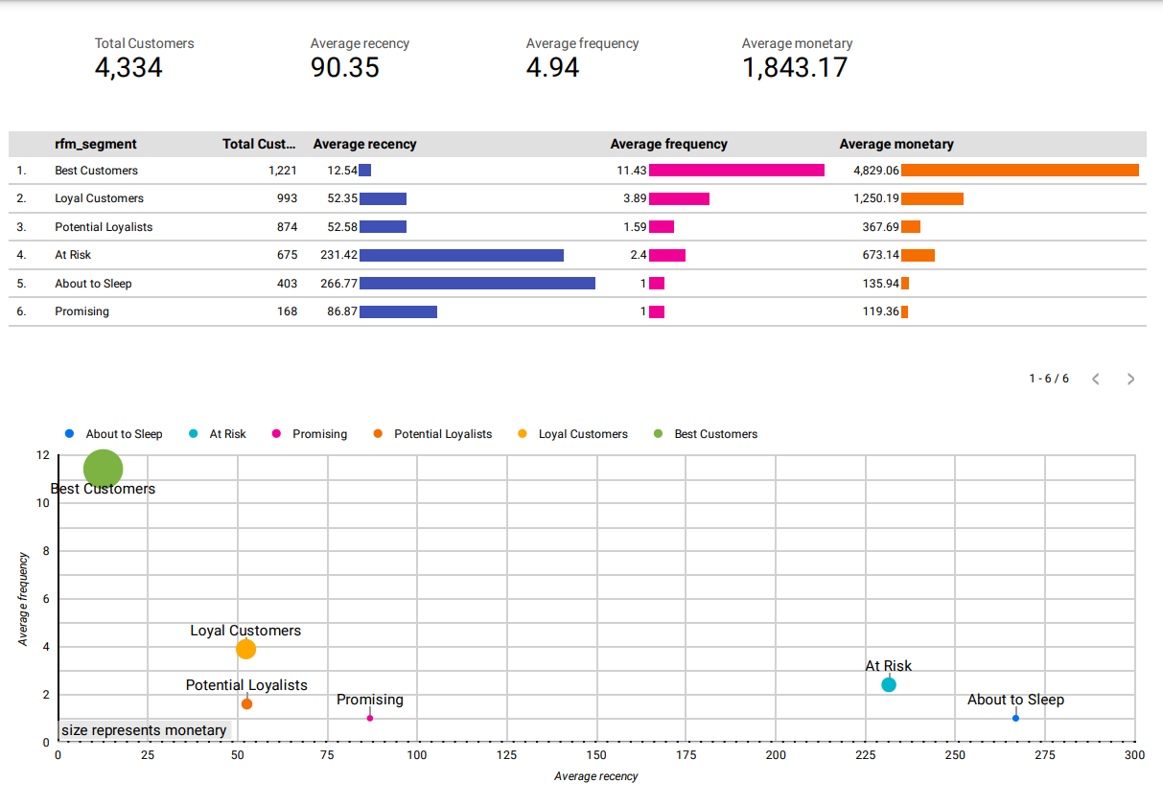

RFM Personas
